Specifications
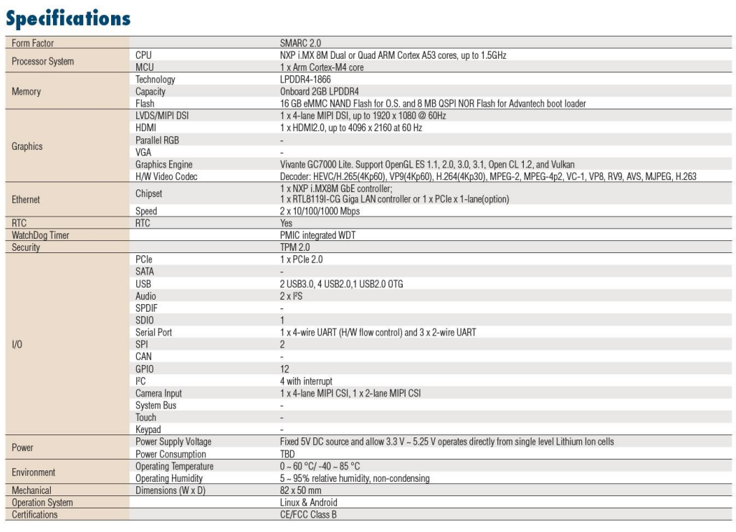

Display
MIPI
HDMI

