Items
Module | Sub-Module | Test Steps | Expectation | Result | Remark
CPU Cores | CPU Cores | cat /proc/cpuinfo| grep "processor"| wc -l | 1 | PASS
memeory | Capacity | cat /proc/meminfo | 1G | PASS
DEBUG UART | Debug | System debug message output and input |  | PASS | /dev/ttyS0
SD | Hotplug |  |  | PASS
eMMC | Partition | df -h | 8G | PASS

I2C |  | i2cdetect -l i2cdetect -y -r 0 i2cdetect -y -r 1 |  | PASS
SPI | SPI0 | cat /proc/mtd dmesg | grep spi --color |  | PASS
LAN | LAN0 | ping -I eth0 172.21.170.48 -c 60 |  | PASS
 | LAN1 | ping -I eth1 172.21.170.48 -c 60 |  | PASS
UART | UART (RS-232) /dev/ttyS3 | ./Loop_uart232 /dev/ttyS3 |  | PASS
 | UART (RS-232) /dev/ttyS4 | ./Loop_uart232 /dev/ttyS4 |  | PASS
 | UART (RS-485) /dev/ttyS3 | ./rs485_test.sh |  | PASS | ./uart-mode-config.sh ttyS3 rs485
 | UART (RS-485) /dev/ttyS4 |  |  | PASS | ./uart-mode-config.sh ttyS4 rs485
USB2.0 | OTG |  |  | PASS
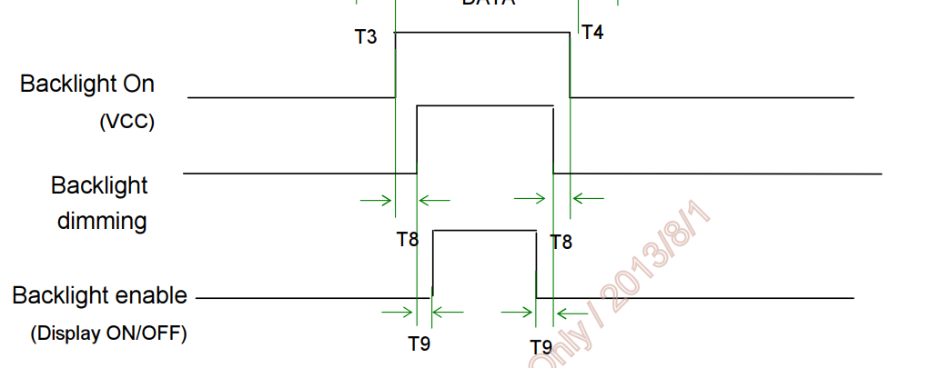
RTC | Normal |  |  | PASS | date 2050-01-15 11:22:33 hwclock -w hwclock
Watchdog |  | ./wdt_driver_test 2 1 0 | reboot after 20s | PASS
LED |  | ./led_test.sh LED0/LED1/LED2 HIGH/LOW |  | PASS
GPIO |  |  |  | PASS
Reset Button |  |  |  | PASS
SW reboot | reboot |  |  | PASS
4G Module | EC20 CEFRG | ./quectel-CM & |  | PASS | ping www.baidu.com

