Functions
Project | Test Image Version | OS
EPC-R7300 | epcr7300a1_uj06203_k0515148_nvona_08g_nvme_2025-03-13 | Ubuntu 22.04

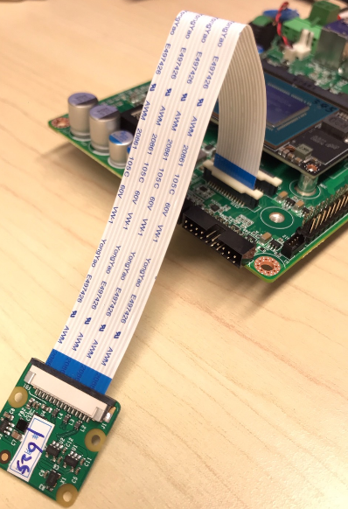
No | Module | Test Item | Test Steps | Remark | Result | Result Comment
1 | DEBUG UART | ADI ADM3101EACPZ - UART2 | System output and input |  | PASS
2 | Camera | MIPI-CSI 0 | $ sudo apt-get install v4l-utils $ sudo apt-get install nvidia-l4t-gstreamer $ dmesg | grep -i 'nvcsi\|imx219' $ v4l2-ctl --list-devices $ v4l2-compliance -d /dev/video0 $ v4l2-ctl --list-formats-ext $ v4l2-ctl -d /dev/video0 --set-fmt-video=width=1920,height=1080,pixelformat=RG10 --set-ctrl bypass_mode=0 --stream-mmap --stream-count=50 Preview $ export DISPLAY=:0 (debug console) $ gst-launch-1.0 nvarguscamerasrc ! 'video/x-raw(memory:NVMM),format=NV12' ! nv3dsink sync=0 or $ gst-launch-1.0 nvarguscamerasrc ! 'video/x-raw(memory:NVMM), width=1920, height=1080, format=NV12, framerate=30/1' ! nv3dsink Capture $ nvargus_nvraw --c 0 --mode 0 --file /home/ubuntu/sample.nvraw --format "nvraw, raw, jpg, yuv" |  | PASS
 |  | MIPI-CSI 1 |  |  | PASS
 |  | MIPI-CSI 2 |  |  | PASS
 |  | MIPI-CSI 3 |  |  | PASS
3 | UART | [40-PIN] UART 1 - RS232 | Connet the Jumper to CN13 Pin 8 and Pin 10 (Loopback) $ stty -F /dev/ttyTHS0 speed 115200 raw -echo $ cat /dev/ttyTHS0 & $ echo "Serial Port Test" > /dev/ttyTHS0 |  | PASS
4 | WiFi | Wi-Fi test | Ubuntu Setting-->Wi-Fi-->ON or $ sudo nmcli device wifi $ sudo nmcli device wifi connect {SSID} ifname {ifconfig ex: wlp1s0} password {password} |  | PASS | EWM-159 (AW-CB375NF)
5 | Bluetooth | Bluetooh test | $ hciconfig hci0 up $ bluetoothctl $ discoverable on $ pairable on $ scan on [NEW] FC:18:3C:8D:75:F4 myphone $ scan off $ pair FC:18:3C:8D:75:F4 $ connect FC:18:3C:8D:75:F4 |  | PASS | EWM-159 (AW-CB375NF)
6 | LTE/5G | LTE/5G | $ lsusb $ sudo apt-get update $ sudo apt-get install -y wvdial $ sudo vi /etc/wvdial.conf $ sudo wvdial & $ ifconfig $ ping 8.8.8.8 | sudo vi /etc/wvdial.conf (Modem = /dev/ttyUSB2 or Modem = /dev/ttyUSB4) [Dialer Defaults] Init1 = ATZ Init2 = ATQ0 V1 E1 S0=0 &C1 &D2 +FCLASS=0 Init5 = AT+CGDCONT=1,"ip","internet" Password = any Phone = *99# Modem Type = Analog Modem Stupid Mode = 1 Baud = 9600 New PPPD = yes Dial Command = ATDT Modem = /dev/ttyUSB4 ISDN = 0 Username = any | PASS | AIW-355 Bus 002 Device 003: ID 2cb7:0104 Fibocom Fibocom Modem_SN:423BAFC6 | 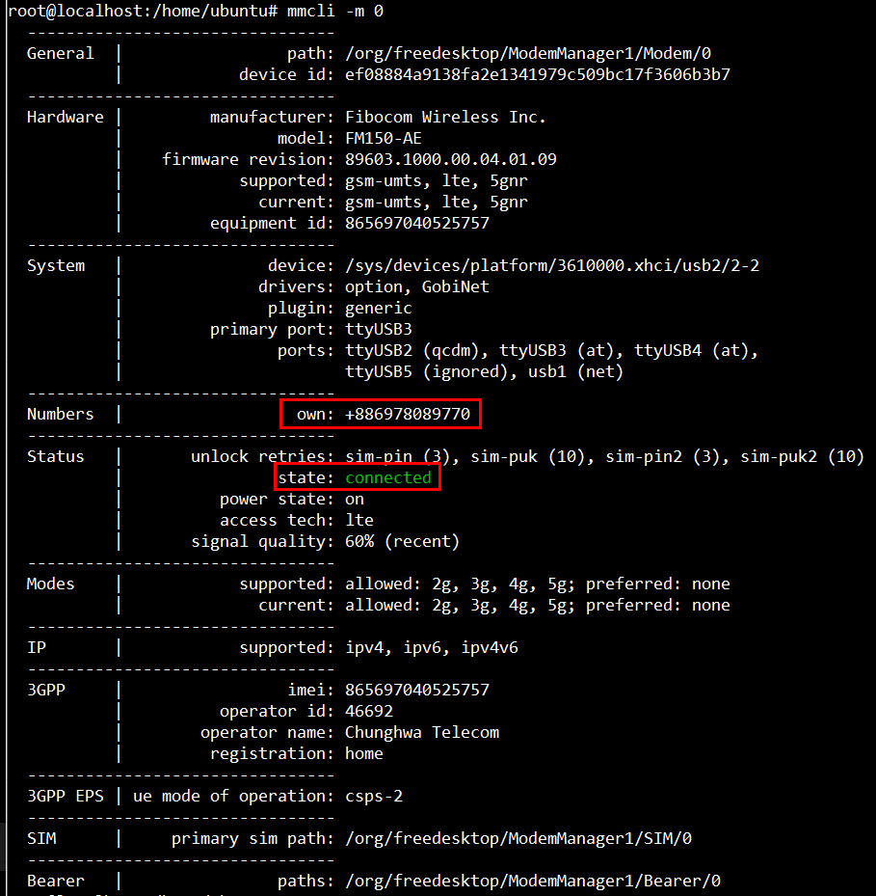
7 | Ethernet | MDI | $ lspci $ ifconfig $ ping -I eth0 8.8.8.8 |  | PASS | 0008:00:00.0 PCI bridge: NVIDIA Corporation Device 229c (rev a1) 0008:01:00.0 Ethernet controller: Realtek Semiconductor Co., Ltd. RTL8111/8168/8411 PCI Express Gigabit Ethernet Controller (rev 15)
 |  | PCIe port 2: PCIe to LAN Intel I225 | $ lspci $ ifconfig $ ping -I eth1 8.8.8.8 |  | PASS | 0007:00:00.0 PCI bridge: NVIDIA Corporation Device 229a (rev a1) 0007:01:00.0 Ethernet controller: Intel Corporation Ethernet Controller I225-LM (rev 03)
8 | M.2 Key M - NVMe SSD | PCIe port 0: M.2 Key M NVMe x4 | Download image $ lspci |  | PASS | 0004:00:00.0 PCI bridge: NVIDIA Corporation Device 229c (rev a1) 0004:01:00.0 Non-Volatile memory controller: Phison Electronics Corporation PS5013 E13 NVMe Controller (rev 01)
9 | M.2 Key E | USB 2.0 - BT | $ lsusb $ lsusb -t |  | PASS | EWM-159 (AW-CB375NF) Bus 001 Device 004: ID 13d3:3549 IMC Networks Bluetooth Radio
 |  | PCIe port 1 - WIFI | $ lspci |  | PASS | EWM-159 (AW-CB375NF) 0001:00:00.0 PCI bridge: NVIDIA Corporation Device 229e (rev a1) 0001:01:00.0 Network controller: Realtek Semiconductor Co., Ltd. RTL8822CE 802.11ac PCIe Wireless Network Adapter
 |  | UART 0 | $ sudo -s # hciattach /dev/ttyTHS1 bcm43xx 3000000 flow -t 20 # hciconfig hci0 up # bluetoothctl # discoverable on # pairable on # scan on [NEW] FC:18:3C:8D:75:F4 myphone # scan off # pair FC:18:3C:8D:75:F4 # connect FC:18:3C:8D:75:F4 |  | PASS | AW-CB511NF
 |  | I2S1 |  |  | N/A | No test equipment
10 | M.2 Key B | USB 2.0 | $ lsusb $ lsusb -t |  | PASS | usb-storage
 |  | USB 3.0 | $ lsusb $ lsusb -t |  | PASS | AIW-355 5G Bus 002 Device 003: ID 2cb7:0104 Fibocom Fibocom Modem_SN:423BAFC6
 |  | PCIe port 3 | $ lspci |  |  | AIW-357 (No test equipment)
11 | USB | USB2.0 Port 2: GL852 port1 - UIO1 (USB1) | $ lsusb $ lsusb -t |  | PASS
 |  | USB2.0 Port 2: GL852 port2 - UIO1 (USB2) |  |  | PASS
 |  | USB2.0 Port 2: GL852 port3 - M.2 KEY E (USB3_M2E_N) |  |  | PASS | EWM-159 (AW-CB375NF) Bus 001 Device 004: ID 13d3:3549 IMC Networks Bluetooth Radio
 |  | USB2.0 Port 2: GL852 port4 - CP2105-F01-GM |  |  | PASS | /dev/ttyUSB0, /dev/ttyUSB1
 |  | USB2.0 Port0: GL3590 USB2.0 port 1 - UIO1 (USB_HUB_A) |  |  | PASS
 |  | USB2.0 Port0: GL3590 USB2.0 port 2 - TypeA down (USB_HUB_W) |  |  | PASS
 |  | USB2.0 Port0: GL3590 USB2.0 port 3 - TypeA up (USB_HUB_X) |  |  | PASS
 |  | USB2.0 Port0: GL3590 USB2.0 port 4 - M.2 KEY B (USB_HUB_Y) |  |  | PASS | usb-storage
 |  | USB3.0 Port0: GL3590 USB3.0 port 2- TypeA down (USB_HUB_W) |  |  | PASS
 |  | USB3.0 Port0: GL3590 USB3.0 port 3 - TypeA up (USB_HUB_X) |  |  | PASS
 |  | USB3.0 Port1 - M.2 KEY B (LTE/5G) |  |  | PASS | AIW-355 5G Bus 002 Device 003: ID 2cb7:0104 Fibocom Fibocom Modem_SN:423BAFC6
 |  | USB3.0 Port2 - USB_UIO_A |  |  | PASS
 |  | USb2.0 Port 0: Micro USB - Device mode | Download image |  | PASS
12 | CAN BUS |  | $ modprobe can $ modprobe can-dev $ modprobe mttcan $ ip link set can0 up type can bitrate 125000 $ ifconfig can0 up $ candump can0 & $ cansend can0 1F334455#1122334455667788 |  | PASS
13 | HDMI |  |  |  | PASS
14 | RTC | CR2032 - RTC external | Remove all internet $ date 010610452027 && hwclock -w && date $ date 010100002000 && hwclock -r && date $ hwclock -s && date $ reboot |  | PASS
15 | GPIO | TI TXB0108RGYR LF - GPIO | $ echo 310 > /sys/class/gpio/export $ echo out > /sys/class/gpio/gpio310/direction $ echo 1 > /sys/class/gpio/gpio310/value $ echo 389 > /sys/class/gpio/export $ echo out > /sys/class/gpio/PG.06/direction $ echo 1 > /sys/class/gpio/PG.06/value |  | PASS | [CN13 40 pin] GPIO01_LF: gpio 310 (gpio310) GPIO07_LF: gpio 389 (PG.06) GPIO09_LF: gpio 307 (gpio307) GPIO11_LF: gpio 311 (gpio311) GPIO12_LF: gpio 433 (PN.01) GPIO13_LF: gpio 391 (PH.00)
 |  | NXP PCA6416AHF - GPIO | $ echo 284 > /sys/class/gpio/export $ echo out > /sys/class/gpio/gpio284/direction $ echo 1 > /sys/class/gpio/gpio284/value ##gpio297 & gpio298 need to set the gpio299 to high## $ echo 299 > /sys/class/gpio/export $ echo out > /sys/class/gpio/gpio299/direction $ echo 1 > /sys/class/gpio/gpio299/value |  | PASS | 10 pins [EXTENSION I/O A] pin#2: gpio 284 pin#4: gpio 285 [EXTENSION I/O B] pin#5: gpio 286 pin#6: gpio 287 pin#7: gpio 288 pin#8: gpio 289 pin#9: gpio 290 pin#10: gpio 291 pin#11: gpio 297 or gpio 329 (PCC.01) (Default) pin#12: gpio 298 or gpio 331 (PCC.03) (Default)
16 | Auido | HDMI | $ aplay -D hw:0,3 Advantech.wav |  | PASS
 |  | Realtek ALC5640 - I2S1 Line-Out | $ amixer -c 1 cset name="CVB-RT Stereo DAC MIXR DAC R1 Switch" "1" $ amixer -c 1 cset name="CVB-RT Stereo DAC MIXL DAC L1 Switch" "1" $ amixer -c 1 cset name="CVB-RT HPO MIX DAC1 Switch" "1" $ amixer -c 1 cset name="CVB-RT HP R Playback Switch" "on" $ amixer -c 1 cset name="CVB-RT HP L Playback Switch" "on" $ aplay -D hw:1,1 <WAV file> |  | PASS
 |  | Realtek ALC5640 - I2S1 Mic-In | $ amixer -c 1 cset name="CVB-RT ADC Capture Switch" "1" $ amixer -c 1 cset name="CVB-RT ADC IF1 Data Switch" "1" $ amixer -c 1 cset name="CVB-RT RECMIXL BST1 Switch" "1" $ amixer -c 1 cset name="CVB-RT RECMIXR BST1 Switch" "1" $ amixer -c 1 cset name="CVB-RT Stereo ADC MIXL ADC1 Switch" "1" $ amixer -c 1 cset name="CVB-RT Stereo ADC MIXR ADC1 Switch" "1" $ arecord -D hw:1,1 -r 44100 -c 2 -f S16_LE output.wav |  | PASS
 |  | TI TXB0108RGYR LF - I2S0 |  |  | N/A | No test equipment
17 | SPI | TI TXB0108RGYR LF - SPI0_CS0 | $ echo -n $'\x06\x05\x04\x03\x02\x01' > test $ dd if=test of=/dev/mtdblock0 $ hexdump -C /dev/mtdblock0 -n 64 |  | PASS | ROM-EG70 /dev/mtd0 /dev/mtd1 /dev/mtd2 /dev/mtd3
 |  | TI TXB0108RGYR LF - SPI0_CS1 |  |  | PASS
 |  | TI TXB0108RGYR LF - SPI1_CS0 |  |  | PASS
 |  | TI TXB0108RGYR LF - SPI1_CS1 |  |  | PASS
18 | I2C | CPU I2C0 | 40 pins IO - 0x50: EEPROM $ i2cdetect -y -r 1 $ echo -n $'\x06\x05\x04\x03\x02\x01' > test $ dd if=test of=/sys/bus/i2c/devices/1-0050/eeprom $ hexdump -C /sys/bus/i2c/devices/1-0050/eeprom -n 64 |  | PASS | [i2c-1]
 |  | CPU I2C1 | connet the Jumper to CN13 Pin 8 and Pin 10 (Loopback) $ stty -F /dev/ttyTHS0 speed 115200 raw -echo $ cat /dev/ttyTHS0 & $ echo "Serial Port Test" > /dev/ttyTHS0 |  | PASS | [i2c-7]
 |  | CPU I2C2 | 0x20: NXP PCA6416AHF $ i2cdetect -y -r 0 |  | PASS | [i2c-0]
 |  |  | 0x21: NXP PCA6416AHF $ i2cdetect -y -r 0 |  | PASS | [i2c-0]
 |  |  | 0x57: EEPROM $ i2cdetect -y -r 0 |  | PASS | [i2c-0]
 |  |  | 0x70: TI TCA9545APWR $ i2cdetect -y -r 0 |  | PASS | [i2c-0]
 |  | CPU I2C_CAM | 0x70: TI TCA9545APWR $ i2cdetect -y -r 2 |  | PASS | [i2c-2]
 |  | I2C Expanded 1 | I2C1 - 0x1C: Codec ALC5640 $ i2cdetect -y -r 10 |  | PASS | [i2c-10]
 |  |  | $ i2cdetect -y -r 11 |  | PASS | [i2c-11]
 |  |  | I2C3 - 0x2E: TPM $ i2cdetect -y -r 12 |  | PASS | [i2c-12]
 |  | I2C Expanded 2 | I2C0 - 0x10 : Camera $ i2cdetect -y -r 13 |  | PASS | [i2c-13]
 |  |  | I2C1 - 0x10 : Camera $ i2cdetect -y -r 14 |  | PASS | [i2c-14]
 |  |  | I2C2 - 0x10 : Camera $ i2cdetect -y -r 15 |  | PASS | [i2c-15]
 |  |  | I2C3 - 0x10 : Camera $ i2cdetect -y -r 16 |  | PASS | [i2c-16]
19 | WATCHDOG | Internal Watchdog | # echo c > /proc/sysrq-trigger ==> System will reboot after 120 sec. |  | PASS
20 | Button | Reset Button | Reset system |  | PASS
 |  | Recovery Button | Recovery / Download |  | PASS
21 | Recovery & Rescue | Downalod via USB |  |  | PASS
22 | Warm Reboot | Warm Reboot | $ reboot |  | PASS
23 | TPM |  | 方法1: # ./tpm_test.bin 方法2: (0) 安裝TPM2 tools # apt-get install tpm2-tools (1)產生randon code # tpm2_getrandom --hex 20 (2) 對指定檔案 msg.dat 加密 # tpm2_createprimary -C p -c platform_primary.ctx # tpm2_create -C platform_primary.ctx -G rsa2048 -u key.pub -r key.priv # tpm2_load -C platform_primary.ctx -u key.pub -r key.priv -c key.ctx # echo "my test" >msg.dat # tpm2_rsaencrypt -c key.ctx -o msg.enc msg.dat # cat msg.enc # tpm2_rsadecrypt -c key.ctx -o msg.ptext msg.enc # cat msg.ptext # cat msg.dat (3) 將資料儲存至 tpm 內存 # tpm2_nvdefine -Q 0x1500031 -C o -s 32 -a "ownerread|policywrite|ownerwrite" # echo "write_tpm_adv" > adv.data # tpm2_nvwrite -Q 0x1500031 -C o -i adv.data # tpm2_nvread -Q 0x1500031 -C o -s 32 -o read.data # cat read.data (4) 確認已經寫入儲存區域 # tpm2_nvreadpublic > nv.out # cat nv.out |  | PASS | 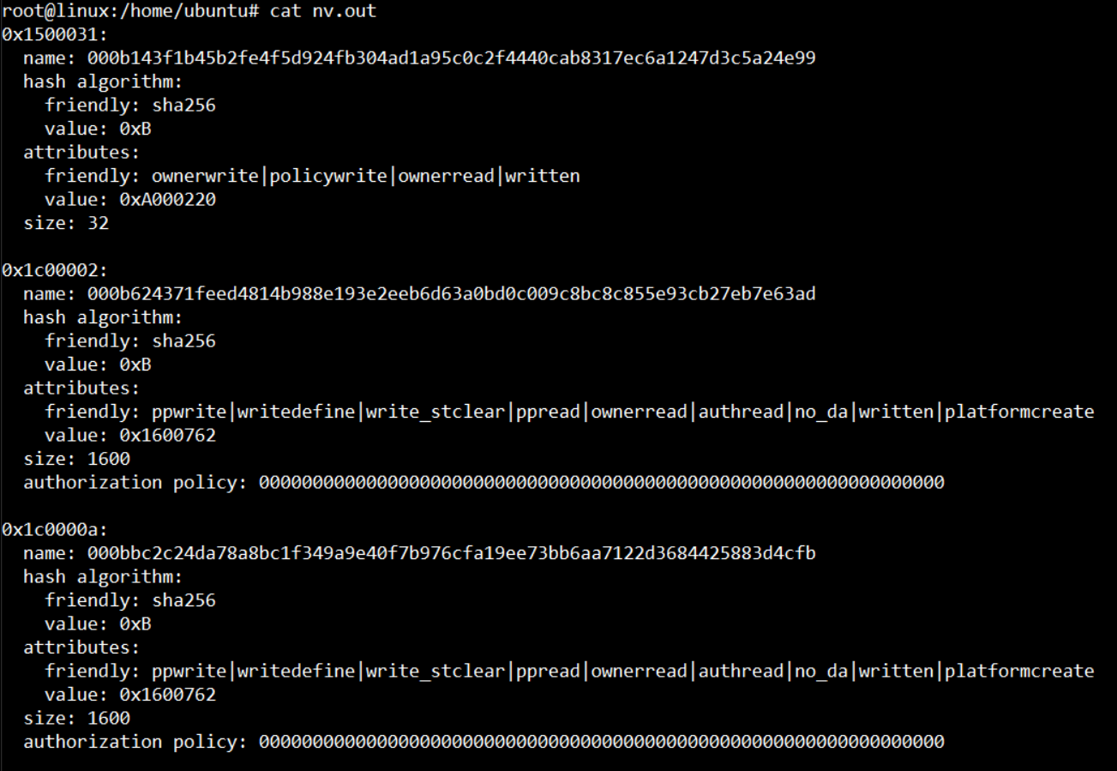 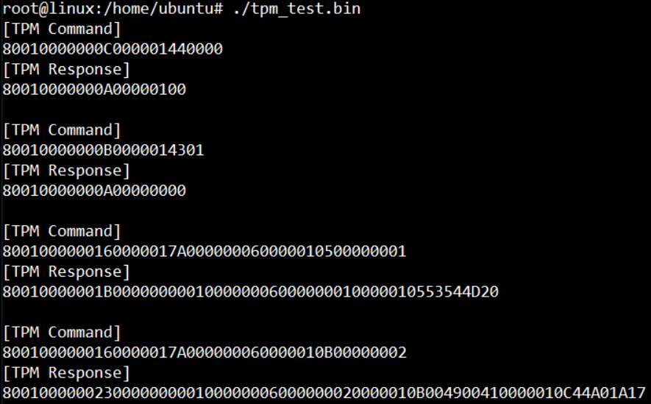
24 | PWM Fan | CN12 | Connet Fan to verify |  | PASS
25 | LED Lights | Power | Power on the device |  | PASS | Green light: Always On
 |  | GPIO | LED ON: echo 255 > /sys/class/leds/user/brightness LED OFF: echo 0 > /sys/class/leds/user/brightness |  | PASS
 |  | Ethernet Lan 1 - Link | $ sudo ethtool -s enP7p1s0 speed 10 duplex full $ sudo ethtool -s enP7p1s0 speed 100 duplex full $ sudo ethtool -s enP7p1s0 speed 1000 duplex full $ sudo ethtool -s enP8p1s0 speed 10 duplex full $ sudo ethtool -s enP8p1s0 speed 100 duplex full $ sudo ethtool -s enP8p1s0 speed 1000 duplex full |  | PASS | 1. 10M: Always Off 2. 100M: Always Off 3. 1000M-Green light: Always On
 |  | Ethernet Lan 1 - Active |  |  | PASS | Green light: Flashing On
 |  | Ethernet Lan 2 - Link |  |  | PASS | 1. 10M: Always Off 2. 100M: Always Off 3. 1000M-Green light: Always On
 |  | Ethernet Lan 2 - Active |  |  | PASS | Green light: Flashing On

UIO-4030
No | Module | Test Item | Test Steps | Owner | Result | Result Comment
1 | RS485 | TI_SN65HVD75DR (COM_4) | Test RS-485 with Adam-4520. Adam-4520 Pin Data- and Pin Data+ connect to UIO-4030 COM_4 Pin 1 and Pin 2. $ stty -F /dev/ttyUSB0 speed 115200 ignbrk -brkint -icrnl -imaxbel -opost -onlcr -isig -icanon -iexten -echo -echoe -echok -echoctl -echoke $ cat /dev/ttyUSB0 & $ echo "Serial Test" > /dev/ttyUSB0 |  | PASS | /dev/ttyUSB0 ls -al /sys/bus/usb-serial/devices
2 | RS232 | (COM_3) | $ stty -F /dev/ttyUSB1 -echo 115200 $ cat /dev/ttyUSB1 & $ echo "Serial Port Test" > /dev/ttyUSB1 |  | PASS | /dev/ttyUSB1 ls -al /sys/bus/usb-serial/devices
3 | GPIO | (CN3_GPIO) |  |  | PASS
4 | EEPROM | ST_M24C02-FMN6TP |  |  | N/A | Not Support (0x50 conflicts with the EEPROM on the nvidia module)

UIO-4032
No | Module | Test Item | Test Steps | Owner |  | Result Comment
1 | RS232 | (COM_3) | $ stty -F /dev/ttyUSB0 -echo 115200 $ cat /dev/ttyUSB0 & $ echo "Serial Port Test" > /dev/ttyUSB0 |  | PASS | /dev/ttyUSB0
 |  | (COM_4) | $ stty -F /dev/ttyUSB1 -echo 115200 $ cat /dev/ttyUSB1 & $ echo "Serial Port Test" > /dev/ttyUSB1 |  | PASS | /dev/ttyUSB1
2 | USB-A | (USB_1) | $ lsusb -t |  | PASS
3 | USB-A | (USB_2) | $ lsusb -t |  | PASS
4 | LAN | SMSC LAN7500-ABZJ | $ ifconfig $ ping -I eth2 8.8.8.8 |  | PASS
5 | EEPROM | ST_M24C02-FMN6TP |  |  | N/A | Not Support (0x50 conflicts with the EEPROM on the nvidia module)

UIO-4034
No | Module | Test Item | Test Steps | Owner |  | Result Comment
...

