Functions
Project | Test Image Version | OS | ebcrc04a1_ubuntu22.04-jp6.2_v0.2.0_kernel-5.15.148_orin-nx_16g_nvme_2025-10-22.tgz
EBC-RC04 | JP (6.2) L4T (36.4.3 GA) Kernel (5.1.148-tegra) | Ubuntu 22.04 | root@localhost:/home/ubuntu# uname -a Linux localhost.localdomain 5.15.148-tegra #1 SMP PREEMPT Wed Oct 22 14:31:49 CST 2025 aarch64 aarch64 aarch64 GNU/Linux root@localhost:/home/ubuntu# cat /etc/nv_tegra_release # R36 (release), REVISION: 4.3, GCID: 38968081, BOARD: generic, EABI: aarch64, DATE: Wed Jan 8 01:49:37 UTC 2025 # KERNEL_VARIANT: oot TARGET_USERSPACE_LIB_DIR=nvidia TARGET_USERSPACE_LIB_DIR_PATH=usr/lib/aarch64-linux-gnu/nvidia root@localhost:/home/ubuntu# jetson_release Software part of jetson-stats 4.3.2 - (c) 2024, Raffaello Bonghi Model: NVIDIA Jetson Orin Nano Engineering Reference Developer Kit Super - Jetpack 6.2 [L4T 36.4.3] |  |  | root@localhost:/home/ubuntu# cat /etc/os-release PRETTY_NAME="Ubuntu 22.04.5 LTS" NAME="Ubuntu" VERSION_ID="22.04" VERSION="22.04.5 LTS (Jammy Jellyfish)" VERSION_CODENAME=jammy ID=ubuntu ID_LIKE=debian HOME_URL="https://www.ubuntu.com/" SUPPORT_URL="https://help.ubuntu.com/" BUG_REPORT_URL="https://bugs.launchpad.net/ubuntu/" PRIVACY_POLICY_URL="https://www.ubuntu.com/legal/terms-and-policies/privacy-policy" UBUNTU_CODENAME=jammy
 | Orin Nano
No | Module | Test Item | Test Steps | Owner | Result | Result Comment | Jems | Result_Comment | Module
1 | DEBUG UART | ADI ADM3101EACPZ - UART2 | System output and input |  | PASS | CN3 (need EE rework) | PASS
2 | Camera | MIPI-CSI 0 |  | Customer |  |  | N/A
 |  | MIPI-CSI 1 |  | Customer |  |  | N/A
 |  | MIPI-CSI 2 |  | Customer |  |  | N/A
 |  | MIPI-CSI 3 |  | Customer |  |  | N/A
3 | Campus |  |  | Customer |  |  | N/A
4 | UART | UART 1 - TI THVD4431 - RS232 | stty -F /dev/ttyTHS0 speed 115200 raw -echo cat /dev/ttyTHS0 & echo "Serial Port Test" > /dev/ttyTHS0 |  | PASS |  | PASS | root@localhost:/home/ubuntu/Test_script# ./RS-232_test.sh /dev/ttyTHS0 Enable RS-232 /dev/ttyTHS0... 115200 echo Test_RS-232 to /dev/ttyTHS0 x5... Test_RS-232 to /dev/ttyTHS0 +1 Test_RS-232 to /dev/ttyTHS0 +2 Test_RS-232 to /▒ev/ttyTHS0 +3 Test_RS-232 to /dev/ttyTHS0 +4 Test_RS-232 to /▒ev/ttyTHS0 +5 Finished RS-232 Test... root@localhost:/home/ubuntu/Test_script#
 |  | UART 1 - TI THVD4431 - RS422 | UART MODE1 --> 1 UART MODE0 --> 1 ADAME (RX-) --> DB9 (Pin1) ADAME (RX+) --> DB9 (Pin2) ADAME (TX+) --> DB9 (Pin3) ADAME (TX-) --> DB9 (Pin4) stty -F /dev/ttyTHS0 speed 115200 raw -echo cat /dev/ttyTHS0 & echo "Serial Port Test" > /dev/ttyTHS0 |  | PASS |  | PASS | ubuntu@localhost:~$ sudo -s [sudo] password for ubuntu: root@localhost:/home/ubuntu# stty -F /dev/ttyTHS0 speed 115200 raw -echo 9600 root@localhost:/home/ubuntu# cat /dev/ttyTHS0 & [1] 3558 root@localhost:/home/ubuntu# echo "Serial Port 422 Test" > /dev/ttyTHS0 root@localhost:/home/ubuntu# echo "Serial Port 422 Test" > /dev/ttyTHS0 root@localhost:/home/ubuntu# echo "Serial Port 422 Test" > /dev/ttyTHS0 root@localhost:/home/ubuntu# test RS-422 and type on host terminal
 |  | UART 1 - TI THVD4431 - RS485 | ADAME (Data-) --> DB9 (Pin1) ADAME (Data+) --> DB9 (Pin2) UART MODE1 --> 1 UART MODE0 --> 0 stty -F /dev/ttyTHS0 speed 115200 raw -echo cat /dev/ttyTHS0 & echo "Serial Port Test" > /dev/ttyTHS0 ------------------(switch input output)------------------- echo 460 > /sys/class/gpio/export echo out > /sys/class/gpio/PR.04/direction echo 1 > /sys/class/gpio/PR.04/value echo 0 > /sys/class/gpio/PR.04/value PR.04:1 接收訊息 PR.04: 0 傳送訊息 | EE | PASS |  | PASS | ubuntu@localhost:~$ sudo -s [sudo] password for ubuntu: root@localhost:/home/ubuntu# stty -F /dev/ttyTHS0 speed 115200 raw -echo 9600 root@localhost:/home/ubuntu# ^C root@localhost:/home/ubuntu# root@localhost:/home/ubuntu# cat /dev/ttyTHS0 & [1] 4486 root@localhost:/home/ubuntu# echo "Serial Port Test" > /dev/ttyTHS0 root@localhost:/home/ubuntu# echo "Serial Port Test" > /dev/ttyTHS0 root@localhost:/home/ubuntu# echo "Serial Port Test" > /dev/ttyTHS0 root@localhost:/home/ubuntu# echo "Serial Port Test" > /dev/ttyTHS0 root@localhost:/home/ubuntu# echo "Serial Port Test" > /dev/ttyTHS0 root@localhost:/home/ubuntu# root@localhost:/home/ubuntu# echo 460 > /sys/class/gpio/export root@localhost:/home/ubuntu# echo out > /sys/class/gpio/PR.04/direction root@localhost:/home/ubuntu# echo 1 > /sys/class/gpio/PR.04/value root@localhost:/home/ubuntu# type on host terminal
5 | WiFi(W179) | Wi-Fi test | Test in UI : First need to insmod driver. cd /usr/local/bin/EWM-W179M201E sudo insmod 8852be.ko |  | PASS | EWM-W179M201E | PASS | ubuntu@localhost:~$ cd /usr/local/bin/EWM-W179M201E/ ubuntu@localhost:/usr/local/bin/EWM-W179M201E$ sudo insmod 8852be.ko [sudo] password for ubuntu: ubuntu@localhost:/usr/local/bin/EWM-W179M201E$ iwconfig wlP1p1s0 wlP1p1s0 IEEE 802.11 ESSID:off/any Mode:Managed Access Point: Not-Associated Tx-Power=12 dBm Retry short limit:7 RTS thr:off Fragment thr:off Power Management:on ubuntu@localhost:/usr/local/bin/EWM-W179M201E$ iwlist wlP1p1s0 scan | grep ESSID ESSID:"Advantech-Guest" ESSID:"Cell Phone" ESSID:"WiFi Phone" ESSID:"Galaxy S25 Ultra 5494" ESSID:"Advantecher" ESSID:"labfortest"
6 | Bluetooth(W179) | Bluetooh test | $ hciconfig hci0 up $ bluetoothctl $ discoverable on $ pairable on $ scan on [NEW] FC:18:3C:8D:75:F4 myphone $ scan off $ pair FC:18:3C:8D:75:F4 $ connect FC:18:3C:8D:75:F4 |  | PASS | EWM-W179M201E | PASS | ubuntu@localhost:/usr/local/bin/EWM-W179M201E$ hciconfig hci0: Type: Primary Bus: USB BD Address: 00:0E:8E:CA:82:0A ACL MTU: 1021:6 SCO MTU: 255:12 UP RUNNING RX bytes:740 acl:0 sco:0 events:52 errors:0 TX bytes:2210 acl:0 sco:0 commands:52 errors:0 ubuntu@localhost:/usr/local/bin/EWM-W179M201E$ bluetoothctl Agent registered [CHG] Controller 00:0E:8E:CA:82:0A Pairable: yes [bluetooth]#
5 | WiFi(W170) | Wi-Fi test | Test in UI : First need to insmod driver. cd /usr/local/bin/EWM-W179M201E sudo insmod 8852be.ko |  | PASS | EWM-W170 | PASS | ubuntu@localhost:~$ cd /usr/local/bin/AIW-170/ ubuntu@localhost:/usr/local/bin/AIW-170$ sudo insmod btbcm.ko [sudo] password for ubuntu: ubuntu@localhost:/usr/local/bin/AIW-170$ sudo insmod btintel.ko ubuntu@localhost:/usr/local/bin/AIW-170$ sudo insmod btqca.ko ubuntu@localhost:/usr/local/bin/AIW-170$ sudo insmod btrtl.ko ubuntu@localhost:/usr/local/bin/AIW-170$ sudo insmod btusb.ko ubuntu@localhost:/usr/local/bin/AIW-170$ sudo modprobe cfg80211 ubuntu@localhost:/usr/local/bin/AIW-170$ sudo insmod wlan_cnss_core_pcie.ko ubuntu@localhost:/usr/local/bin/AIW-170$ sudo insmod wlan.ko ubuntu@localhost:/usr/local/bin/AIW-170$ iwconfig wlan0 wlan0 IEEE 802.11 ESSID:off/any Mode:Managed Access Point: Not-Associated Tx-Power=0 dBm Retry short limit:7 RTS thr:off Fragment thr:off Power Management:on ubuntu@localhost:/usr/local/bin/AIW-170$ iwlist wlan0 scan | grep ESSID ESSID:"Advantecher" ESSID:"WISE-work" ESSID:"Cell Phone" ESSID:"WiFi Phone" ESSID:"Galaxy S25 Ultra 5494" ESSID:"labfortest" ESSID:"DM4" ESSID:"Xiaomi_8A4D"
6 | Bluetooth(W170) | Bluetooh test | $ hciconfig hci0 up $ bluetoothctl $ discoverable on $ pairable on $ scan on [NEW] FC:18:3C:8D:75:F4 myphone $ scan off $ pair FC:18:3C:8D:75:F4 $ connect FC:18:3C:8D:75:F4 |  | PASS | EWM-W170 | PASS | hci0: Type: Primary Bus: USB BD Address: 00:0E:8E:BF:8E:31 ACL MTU: 1024:7 SCO MTU: 240:8 UP RUNNING RX bytes:766 acl:0 sco:0 events:55 errors:0 TX bytes:1729 acl:0 sco:0 commands:55 errors:0 ubuntu@localhost:/usr/local/bin/AIW-170$ bluetoothctl Agent registered [CHG] Controller 00:0E:8E:BF:8E:31 Pairable: yes [bluetooth]#
7 | Ethernet | MDI | $ ifconfig $ ping 8.8.8.8 |  | PASS |  | PASS | ubuntu@localhost:~$ ifconfig enP7p1s0 enP7p1s0: flags=4163<UP,BROADCAST,RUNNING,MULTICAST> mtu 1500 inet 172.22.17.47 netmask 255.255.252.0 broadcast 172.22.19.255 inet6 fe80::5f52:498f:2a56:7f6a prefixlen 64 scopeid 0x20<link> ether 74:fe:48:94:6d:87 txqueuelen 1000 (Ethernet) RX packets 213 bytes 29919 (29.9 KB) RX errors 0 dropped 89 overruns 0 frame 0 TX packets 45 bytes 5473 (5.4 KB) TX errors 0 dropped 0 overruns 0 carrier 0 collisions 0 device memory 0x3228000000-32280fffff ubuntu@localhost:~$ ping google.com -I enP7p1s0 PING google.com (64.233.188.101) from 172.22.17.47 enP7p1s0: 56(84) bytes of data. 64 bytes from tk-in-f101.1e100.net (64.233.188.101): icmp_seq=1 ttl=104 time=4.98 ms 64 bytes from tk-in-f101.1e100.net (64.233.188.101): icmp_seq=2 ttl=104 time=5.37 ms ^C --- google.com ping statistics --- 2 packets transmitted, 2 received, 0% packet loss, time 1002ms rtt min/avg/max/mdev = 4.982/5.176/5.371/0.194 ms
 |  | PCIe port 2: PCIe to LAN Intel I226 | $ lspci $ ifconfig $ ping 8.8.8.8 |  | PASS | 0007:00:00.0 PCI bridge: NVIDIA Corporation Device 229a (rev a1) 0007:01:00.0 Ethernet controller: Intel Corporation Device 15f2 (rev 03) | PASS | ubuntu@localhost:~$ lspci 0004:00:00.0 PCI bridge: NVIDIA Corporation Device 229c (rev a1) 0004:01:00.0 Non-Volatile memory controller: Phison Electronics Corporation PS5013 E13 NVMe Controller (rev 01) 0007:00:00.0 PCI bridge: NVIDIA Corporation Device 229a (rev a1) 0007:01:00.0 Ethernet controller: Intel Corporation Device 125d (rev 04) 0008:00:00.0 PCI bridge: NVIDIA Corporation Device 229c (rev a1) 0008:01:00.0 Ethernet controller: Realtek Semiconductor Co., Ltd. RTL8111/8168/8411 PCI Express Gigabit Ethernet Controller (rev 15) ubuntu@localhost:~$ ifconfig enP8p1s0 enP8p1s0: flags=4163<UP,BROADCAST,RUNNING,MULTICAST> mtu 1500 inet 172.22.17.46 netmask 255.255.252.0 broadcast 172.22.19.255 inet6 fe80::dbc8:48d9:fa66:f5ea prefixlen 64 scopeid 0x20<link> ether 3c:6d:66:16:4b:5a txqueuelen 1000 (Ethernet) RX packets 3685 bytes 1001972 (1.0 MB) RX errors 0 dropped 697 overruns 0 frame 0 TX packets 393 bytes 36835 (36.8 KB) TX errors 0 dropped 0 overruns 0 carrier 0 collisions 0 device interrupt 244 base 0x3000 ubuntu@localhost:~$ ping google.com -I enP8p1s0 PING google.com (64.233.188.101) from 172.22.17.46 enP8p1s0: 56(84) bytes of data. 64 bytes from tk-in-f101.1e100.net (64.233.188.101): icmp_seq=1 ttl=104 time=5.12 ms 64 bytes from tk-in-f101.1e100.net (64.233.188.101): icmp_seq=2 ttl=104 time=5.08 ms 64 bytes from tk-in-f101.1e100.net (64.233.188.101): icmp_seq=3 ttl=104 time=4.92 ms ^C --- google.com ping statistics --- 3 packets transmitted, 3 received, 0% packet loss, time 2003ms rtt min/avg/max/mdev = 4.922/5.039/5.118/0.084 ms |  | 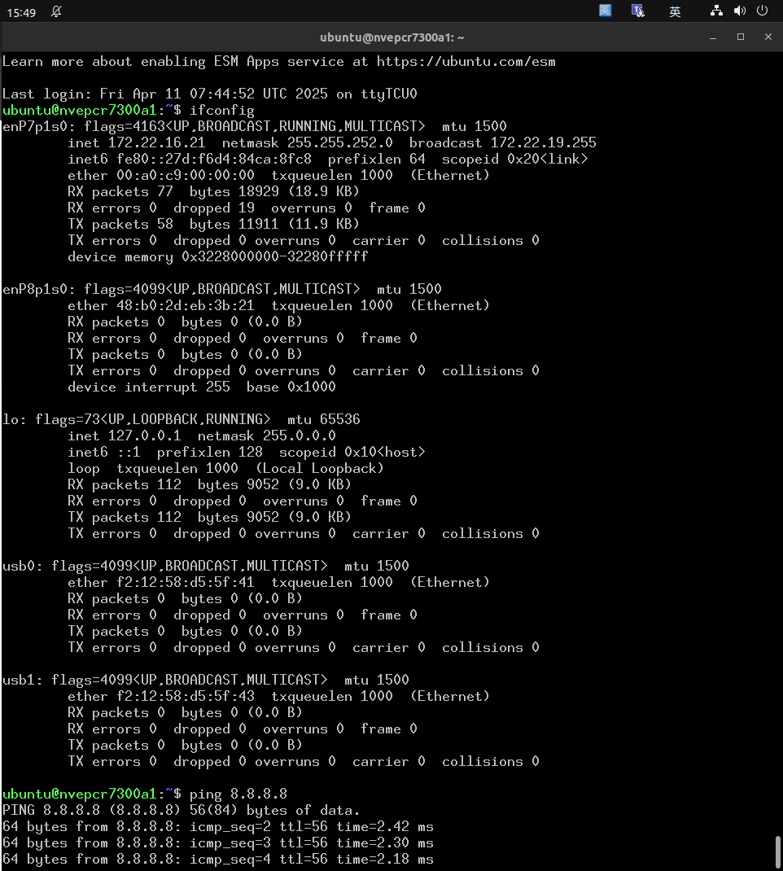
8 | M.2 Key M - NVMe SSD | PCIe port 0: M.2 Key M NVMe x4 | Download image $ lspci |  | PASS | 0004:00:00.0 PCI bridge: NVIDIA Corporation Device 229c (rev a1) 0004:01:00.0 Non-Volatile memory controller: Phison Electronics Corporation E12 NVMe Controller (rev 01) | PASS | root@localhost:/home/ubuntu# lspci 0004:00:00.0 PCI bridge: NVIDIA Corporation Device 229c (rev a1) 0004:01:00.0 Non-Volatile memory controller: Phison Electronics Corporation PS5013 E13 NVMe Controller (rev 01) 0007:00:00.0 PCI bridge: NVIDIA Corporation Device 229a (rev a1) 0007:01:00.0 Ethernet controller: Intel Corporation Device 125d (rev 04) 0008:00:00.0 PCI bridge: NVIDIA Corporation Device 229c (rev a1) 0008:01:00.0 Ethernet controller: Realtek Semiconductor Co., Ltd. RTL8111/8168/8411 PCI Express Gigabit Ethernet Controller (rev 15) root@localhost:/home/ubuntu# lsblk NAME MAJ:MIN RM SIZE RO TYPE MOUNTPOINTS loop0 7:0 0 16M 1 loop zram0 252:0 0 634.9M 0 disk [SWAP] zram1 252:1 0 634.9M 0 disk [SWAP] zram2 252:2 0 634.9M 0 disk [SWAP] zram3 252:3 0 634.9M 0 disk [SWAP] zram4 252:4 0 634.9M 0 disk [SWAP] zram5 252:5 0 634.9M 0 disk [SWAP] nvme0n1 259:0 0 953.9G 0 disk tqnvme0n1p1 259:1 0 952.4G 0 part / tqnvme0n1p2 259:2 0 128M 0 part tqnvme0n1p3 259:3 0 768K 0 part tqnvme0n1p4 259:4 0 31.6M 0 part tqnvme0n1p5 259:5 0 128M 0 part tqnvme0n1p6 259:6 0 768K 0 part tqnvme0n1p7 259:7 0 31.6M 0 part tqnvme0n1p8 259:8 0 80M 0 part tqnvme0n1p9 259:9 0 512K 0 part tqnvme0n1p10 259:10 0 64M 0 part /boot/efi tqnvme0n1p11 259:11 0 80M 0 part tqnvme0n1p12 259:12 0 512K 0 part tqnvme0n1p13 259:13 0 64M 0 part tqnvme0n1p14 259:14 0 400M 0 part mqnvme0n1p15 259:15 0 479.5M 0 part root@localhost:/home/ubuntu#
9 | M.2 Key E | USB 2.0 - BT | $ lsusb $ lsusb -t |  | PASS | EWM-W179M201E | PASS | ubuntu@localhost:~$ lsusb Bus 002 Device 001: ID 1d6b:0003 Linux Foundation 3.0 root hub Bus 001 Device 003: ID 0bda:b85b Realtek Semiconductor Corp. Bluetooth Radio Bus 001 Device 002: ID 05e3:0610 Genesys Logic, Inc. Hub Bus 001 Device 001: ID 1d6b:0002 Linux Foundation 2.0 root hub ubuntu@localhost:~$
 |  | PCIe port 1 - WIFI | $ lspci |  | PASS | EWM-W179M201E | PASS | ubuntu@localhost:~$ lspci 0001:00:00.0 PCI bridge: NVIDIA Corporation Device 229e (rev a1) 0001:01:00.0 Network controller: Realtek Semiconductor Co., Ltd. Device b852 0004:00:00.0 PCI bridge: NVIDIA Corporation Device 229c (rev a1) 0004:01:00.0 Non-Volatile memory controller: Phison Electronics Corporation PS5013 E13 NVMe Controller (rev 01) 0007:00:00.0 PCI bridge: NVIDIA Corporation Device 229a (rev a1) 0007:01:00.0 Ethernet controller: Intel Corporation Device 125d (rev 04) 0008:00:00.0 PCI bridge: NVIDIA Corporation Device 229c (rev a1) 0008:01:00.0 Ethernet controller: Realtek Semiconductor Co., Ltd. RTL8111/8168/8411 PCI Express Gigabit Ethernet Controller (rev 15) ubuntu@localhost:~$ |  |  | 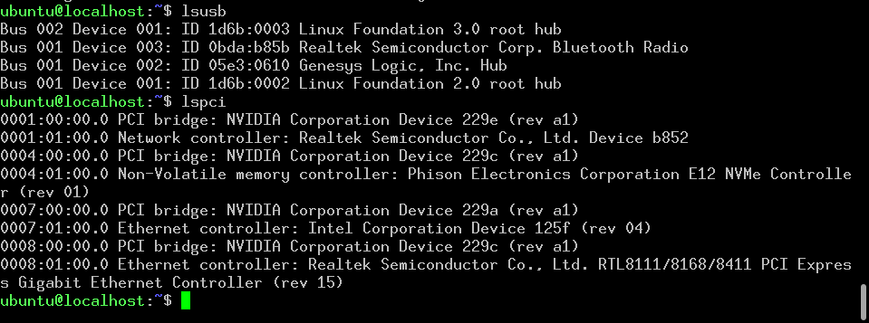
10 | USB | USB2.0 Port 0 - USB Type C | $ lsusb $ lsusb -t | EE | PASS | CN10 | PASS | ubuntu@localhost:~$ lsusb -t /: Bus 02.Port 1: Dev 1, Class=root_hub, Driver=tegra-xusb/4p, 10000M /: Bus 01.Port 1: Dev 1, Class=root_hub, Driver=tegra-xusb/4p, 480M |__ Port 1: Dev 3, If 0, Class=Mass Storage, Driver=usb-storage, 480M |__ Port 3: Dev 2, If 0, Class=Hub, Driver=hub/4p, 480M ubuntu@localhost:~$
 |  | USB3.0 Port 0 - USB Type C |  |  | PASS | CN10 | PASS | ubuntu@localhost:~$ lsusb -t /: Bus 02.Port 1: Dev 1, Class=root_hub, Driver=tegra-xusb/4p, 10000M |__ Port 1: Dev 2, If 0, Class=Mass Storage, Driver=usb-storage, 5000M /: Bus 01.Port 1: Dev 1, Class=root_hub, Driver=tegra-xusb/4p, 480M |__ Port 3: Dev 2, If 0, Class=Hub, Driver=hub/4p, 480M ubuntu@localhost:~$
 |  | USB2.0 Port 1 - USB Type C |  |  | PASS | CN25 | PASS | ubuntu@localhost:~$ lsusb -t /: Bus 02.Port 1: Dev 1, Class=root_hub, Driver=tegra-xusb/4p, 10000M /: Bus 01.Port 1: Dev 1, Class=root_hub, Driver=tegra-xusb/4p, 480M |__ Port 2: Dev 4, If 0, Class=Mass Storage, Driver=usb-storage, 480M |__ Port 3: Dev 2, If 0, Class=Hub, Driver=hub/4p, 480M ubuntu@localhost:~$
 |  | USB3.0 Port 1 - USB Type C |  |  | PASS | CN25 | PASS | ubuntu@localhost:~$ lsusb -t /: Bus 02.Port 1: Dev 1, Class=root_hub, Driver=tegra-xusb/4p, 10000M |__ Port 2: Dev 3, If 0, Class=Mass Storage, Driver=usb-storage, 5000M /: Bus 01.Port 1: Dev 1, Class=root_hub, Driver=tegra-xusb/4p, 480M |__ Port 3: Dev 2, If 0, Class=Hub, Driver=hub/4p, 480M ubuntu@localhost:~$
 |  | USB2.0 Port 2: GL852 - M.2 KEY E |  |  | PASS | EWM-W179M201E | PASS | ubuntu@localhost:~$ lsusb Bus 002 Device 001: ID 1d6b:0003 Linux Foundation 3.0 root hub Bus 001 Device 003: ID 0bda:b85b Realtek Semiconductor Corp. Bluetooth Radio Bus 001 Device 002: ID 05e3:0610 Genesys Logic, Inc. Hub Bus 001 Device 001: ID 1d6b:0002 Linux Foundation 2.0 root hub ubuntu@localhost:~$
 |  | USB2.0 Port 2: GL852 - USB 2.0 - TypeA |  |  | PASS | CN21 | PASS | ubuntu@localhost:~$ lsusb -t /: Bus 02.Port 1: Dev 1, Class=root_hub, Driver=tegra-xusb/4p, 10000M /: Bus 01.Port 1: Dev 1, Class=root_hub, Driver=tegra-xusb/4p, 480M |__ Port 3: Dev 2, If 0, Class=Hub, Driver=hub/4p, 480M |__ Port 2: Dev 5, If 0, Class=Mass Storage, Driver=usb-storage, 480M ubuntu@localhost:~$
 |  | USB3.0 Port2 - TypeA |  |  | PASS | CN21 | PASS | ubuntu@localhost:~$ lsusb -t /: Bus 02.Port 1: Dev 1, Class=root_hub, Driver=tegra-xusb/4p, 10000M |__ Port 3: Dev 4, If 0, Class=Mass Storage, Driver=usb-storage, 5000M /: Bus 01.Port 1: Dev 1, Class=root_hub, Driver=tegra-xusb/4p, 480M |__ Port 3: Dev 2, If 0, Class=Hub, Driver=hub/4p, 480M ubuntu@localhost:~$
11 | RTC | CR2032 - RTC external | Remove all internet $ date 010610452023 && hwclock -w && date $ date 010100002000 && hwclock -r && date $ hwclock -s && date $ reboot $ hwclock -s && date |  | PASS | # date 010100002000 && hwclock -r && date # hwclock -s && date # date 102210452025 && hwclock -w && date # date 010100002000 && hwclock -r && date # hwclock -s && date # hwclock -r && date # poweroff # date 010100002000 && hwclock -r && date # hwclock -s && date # date 120310452025 && hwclock -w && date # date 010100002000 && hwclock -r && date # hwclock -s && date # hwclock -r && date # reboot # hwclock -r && date | PASS | Remove ethernet connection: ubuntu@localhost:~$ sudo -s [sudo] password for ubuntu: root@localhost:/home/ubuntu# date 010100002000 && hwclock -r && date Sat Jan 1 12:00:00 AM UTC 2000 2025-10-22 11:36:31.801719+00:00 Sat Jan 1 12:00:00 AM UTC 2000 root@localhost:/home/ubuntu# hwclock -s && date Wed Oct 22 11:37:00 AM UTC 2025 root@localhost:/home/ubuntu# date 120310452025 && hwclock -w && date Wed Dec 3 10:45:00 AM UTC 2025 Wed Dec 3 10:45:01 AM UTC 2025 root@localhost:/home/ubuntu# date 010100002000 && hwclock -r && date Sat Jan 1 12:00:00 AM UTC 2000 2025-12-03 10:45:27.023906+00:00 Sat Jan 1 12:00:00 AM UTC 2000 root@localhost:/home/ubuntu# hwclock -s && date Wed Dec 3 10:45:57 AM UTC 2025 root@localhost:/home/ubuntu# hwclock -r && date 2025-12-03 10:46:20.934704+00:00 Wed Dec 3 10:46:21 AM UTC 2025 root@localhost:/home/ubuntu# reboot Last login: Wed Oct 22 11:35:48 UTC 2025 on ttyTCU0 ubuntu@localhost:~$ sudo -s [sudo] password for ubuntu: root@localhost:/home/ubuntu# hwclock -r && date 2025-12-03 10:48:09.556009+00:00 Wed Dec 3 10:48:09 AM UTC 2025 root@localhost:/home/ubuntu#
13 | I2C | CPU I2C0 |  | Customer |  | [i2c-1] | N/A
 |  | CPU I2C1 |  | Customer |  | [i2c-7] | N/A
 |  | CPU I2C2 | 0x57: EEPROM $ i2cdetect -y -r 0 |  | PASS | [i2c-0] | PASS | [i2c-0] root@localhost:/home/ubuntu# i2cdetect -r -y 0 0 1 2 3 4 5 6 7 8 9 a b c d e f 00: -- -- -- -- -- -- -- -- 10: -- -- -- -- -- -- -- -- -- -- -- -- -- -- -- -- 20: -- -- -- -- -- -- -- -- -- -- -- -- -- -- -- -- 30: -- -- -- -- -- -- -- -- -- -- -- -- -- -- -- -- 40: -- -- -- -- -- -- -- -- -- -- -- -- -- -- -- -- 50: UU -- -- -- -- -- -- UU -- -- -- -- -- -- -- -- 60: -- -- -- -- -- -- -- -- -- -- -- -- -- -- -- -- 70: -- -- -- -- -- -- -- -- root@localhost:/home/ubuntu#

 |  | CPU I2C_CAM |  | Customer |  | [i2c-2] | N/A
14 | WATCHDOG | Internal Watchdog | Detect gpio signal $ echo c > /proc/sysrq-trigger ==> System will reboot after 120 sec. |  | PASS |  | PASS | # echo c > /proc/sysrq-trigger ==> System will reboot after 120 sec.
15 | Button | Reset Button | Reset system |  | PASS |  | PASS
 |  | Recovery Button | Recovery / Download |  | PASS |  | PASS
16 | Recovery & Rescue | Downalod via USB |  |  | PASS | CN10 | PASS | CN10
17 | HDMI | HDMI port |  |  | PASS |  | PASS
18 | GPIO | CN5 | GPIO3_PA.05 ---> gpio353 GPIO3_PA.06 ---> gpio354 |  | PASS | need EE rework | PASS | root@localhost:/home/ubuntu/Test_script/GPIO_Test# ./GPIO_export.sh 353 Export GPIO 353 to export... export gpiochip316 gpiochip348 PA.05 unexport root@localhost:/home/ubuntu/Test_script/GPIO_Test# ./GPIO_export.sh 354 Export GPIO 354 to export... export gpiochip316 gpiochip348 PA.05 PA.06 unexport root@localhost:/home/ubuntu/Test_script/GPIO_Test# ./GPIO_test_number.sh PA.05 PA.06 Print iInput GPIOPA.05 value... 0 =============================================== Set Output GPIOPA.06 to '0'... Get Input GPIOPA.05 value... 0 PASS... Set Output GPIOPA.06 to '1'... Get Input GPIOPA.05 value... 1 PASS... =============================================== =============================================== Set Output GPIOPA.06 to '1' again... Get Input GPIOPA.05 value... 1 PASS... Set Optput GPIOPA.06 back to '0'... Get Input GPIOPA.05 value... 0 PASS... =============================================== Finish GPIO test...
19 | Warm Reboot | Warm Reboot | $ reboot |  | PASS |  | PASS
20 | FAN | PWM-Control |  |  | PASS | # cd /sys/devices/platform/pwm-fan/hwmon/hwmon1/ # cat pwm1 # echo 0 > pwm1 # echo 255 > pwm | PASS | ubuntu@localhost:~$ sudo -s [sudo] password for ubuntu: root@localhost:/home/ubuntu# cd /sys/devices/platform/pwm-fan/hwmon/hwmon1/ root@localhost:/sys/devices/platform/pwm-fan/hwmon/hwmon1# cat pwm1 73 root@localhost:/sys/devices/platform/pwm-fan/hwmon/hwmon1# echo 0 > pwm1 root@localhost:/sys/devices/platform/pwm-fan/hwmon/hwmon1# echo 255 > pwm
21 | USB OTG(CN10) | Connect (CN10) to Linux PC USB port and check it can be detected | $ lsusb # on Linux host PC |  |  |  | PASS | jems@riscaeu18-Default-string:/home/jems/Jems_DHO/EBC-RC04$ lsusb Bus 001 Device 002: ID 8087:8000 Intel Corp. Bus 001 Device 001: ID 1d6b:0002 Linux Foundation 2.0 root hub Bus 003 Device 002: ID 05e3:0616 Genesys Logic, Inc. hub Bus 003 Device 001: ID 1d6b:0003 Linux Foundation 3.0 root hub Bus 002 Device 011: ID 0955:7020 NVidia Corp. Bus 002 Device 002: ID 05e3:0610 Genesys Logic, Inc. 4-port hub Bus 002 Device 001: ID 1d6b:0002 Linux Foundation 2.0 root hub
