SW
 |  | Project | Test Image Version
 |  | RSB-3720 | Debian12 Linux 6.6.23

No | Module | Test Item | Test Steps | Remark | Result | Result Comment
1 | CPU | CPU Cores | $ cat /proc/cpuinfo | A53 x 4 | PASS | processor : 0 BogoMIPS : 16.00 Features : fp asimd evtstrm aes pmull sha1 sha2 crc32 cpuid CPU implementer : 0x41 CPU architecture: 8 CPU variant : 0x0 CPU part : 0xd03 CPU revision : 4 processor : 1 BogoMIPS : 16.00 Features : fp asimd evtstrm aes pmull sha1 sha2 crc32 cpuid CPU implementer : 0x41 CPU architecture: 8 CPU variant : 0x0 CPU part : 0xd03 CPU revision : 4 processor : 2 BogoMIPS : 16.00 Features : fp asimd evtstrm aes pmull sha1 sha2 crc32 cpuid CPU implementer : 0x41 CPU architecture: 8 CPU variant : 0x0 CPU part : 0xd03 CPU revision : 4 processor : 3 BogoMIPS : 16.00 Features : fp asimd evtstrm aes pmull sha1 sha2 crc32 cpuid CPU implementer : 0x41 CPU architecture: 8 CPU variant : 0x0 CPU part : 0xd03 CPU revision : 4
 |  | CPU Max MHz | $ cat /sys/devices/system/cpu/cpu0/cpufreq/cpuinfo_max_freq | 1800000 | PASS
2 | DDR | Memory Size | $ cat /proc/meminfo | LPDDR4 6GB | PASS | MemTotal: 5775100 kB MemFree: 4973232 kB MemAvailable: 5202248 kB Buffers: 20492 kB Cached: 336612 kB SwapCached: 0 kB Active: 88240 kB Inactive: 545300 kB Active(anon): 1072 kB Inactive(anon): 282732 kB Active(file): 87168 kB Inactive(file): 262568 kB Unevictable: 0 kB Mlocked: 0 kB SwapTotal: 0 kB SwapFree: 0 kB Dirty: 32 kB Writeback: 0 kB AnonPages: 272372 kB Mapped: 175556 kB Shmem: 7368 kB KReclaimable: 28144 kB Slab: 65092 kB SReclaimable: 28144 kB SUnreclaim: 36948 kB KernelStack: 4896 kB PageTables: 8556 kB SecPageTables: 0 kB NFS_Unstable: 0 kB Bounce: 0 kB WritebackTmp: 0 kB CommitLimit: 2887548 kB Committed_AS: 1831828 kB VmallocTotal: 133141626880 kB VmallocUsed: 11644 kB VmallocChunk: 0 kB Percpu: 1216 kB HardwareCorrupted: 0 kB AnonHugePages: 114688 kB ShmemHugePages: 0 kB ShmemPmdMapped: 0 kB FileHugePages: 0 kB FilePmdMapped: 0 kB CmaTotal: 983040 kB CmaFree: 969332 kB HugePages_Total: 0 HugePages_Free: 0 HugePages_Rsvd: 0 HugePages_Surp: 0 Hugepagesize: 2048 kB Hugetlb: 0 kB
 |  | Memory Clocks | Check memory clock under boot loader |  | PASS | DDRINFO: DRAM rate 4000MTS
 |  | DDR parameter Version | Check info in bootloader |  | PASS | U-Boot 2024.04-41019-g6449037664c-dirty
3 | Stress Test | Stress Test | Refer to /tools/stress.sh | Need to verify w/o cooling |  | 5 day pass
4 | SD Card | Access | Mount and read/write/verify data under kernel |  | PASS
 |  | Write Protect | Check WP function |  | PASS | Default Off
5 | Additional SD Slot | Access | Mount and read/write/verify data under kernel |  | N/A
 |  | Write Protect | Check WP function |  | N/A
6 | eMMC | eMMC 16GB | Write/Read/Verify data in the start/end 4 byte of flash |  | PASS
7 | Debug UART | UART 4 | A53 control: $ stty -F /dev/ttymxc3 -echo -onlcr 115200 $ cat /dev/ttymxc3 & $ echo "Serial Port Test" > /dev/ttymxc3 M7_Debug: (1) emmc boot: U-Boot > fatload mmc 2:1 0x48000000 imx8mp_m7_TCM_hello_world.bin;cp.b 0x48000000 0x7e0000 20000; U-Boot > bootaux 0x7e0000 (2) sd card boot: U-Boot > fatload mmc 1:1 0x48000000 imx8mp_m7_TCM_hello_world.bin;cp.b 0x48000000 0x7e0000 20000; U-Boot > bootaux 0x7e0000 | A53 control: /dev/ttymxc3 or M7_Debug 2 wire (EXTENSION I/O B - COM4) UIO4032 COM_4 | PASS | M7 debug not test
 |  | UART 3 |  | A53_Debug 4 wire (COM1 Pin Header) | PASS
8 | RS-232 | UART 1 | $ stty -F /dev/ttymxc0 -echo -onlcr 115200 $ cat /dev/ttymxc0 & $ echo "Serial Port Test" > /dev/ttymxc0 | /dev/ttymxc0 | PASS | UART1_RXD & UART1_TXD short
 |  | UART 2 | $ stty -F /dev/ttymxc1 -echo -onlcr 115200 $ cat /dev/ttymxc1 & $ echo "Serial Port Test" > /dev/ttymxc1 | 2 wire (EXTENSION I/O B - COM2) UIO4032 COM_3 /dev/ttymxc1 | PASS
9 | RS-485/422 | UART 3 | 1. Test RS-485 with Adam-4520. Adam-4520 Pin Data- and Pin Data+ connect to RSB-3720 COM1 Pin 1: COM_DCD and Pin 3: COM_RXD 2. Test RS-422 with Adam-4520. Adam-4520 RX- <-->DB9 Pin 1, Adam-4520 RX+ <-->DB9 Pin 2, Adam-4520 TX- <-->DB9 Pin 4, Adam-4520 TX+ <--> DB9 Pin 3 $ stty -F /dev/ttymxc2 speed 115200 ignbrk -brkint -icrnl -imaxbel -opost -onlcr -isig -icanon -iexten -echo -echoe -echok -echoctl -echoke $ cat /dev/ttymxc2 & $ echo "Serial Test" > /dev/ttymxc2 $ stty -F /dev/ttyUSB0 speed 115200 ignbrk -brkint -icrnl -imaxbel -opost -onlcr -isig -icanon -iexten -echo -echoe -echok -echoctl -echoke $ cat /dev/ttyUSB0 & $ echo "Serial Test" > /dev/ttyUSB0 | 4 wire (COM1 Pin Header) Set GPIO#520, #521 Set to 0,1 for RS-485 Set to 1,1 for RS-422 Set to 0,0 for loopback Set to 1,0 for RS-232 Remember to set up RS-485 before test. RS-422 don't need to set up the following setting. $ ./enable485 /dev/ttymxc2 | PASS | echo 520 > /sys/class/gpio/export echo 521 > /sys/class/gpio/export echo out > /sys/class/gpio/gpio520/direction echo out > /sys/class/gpio/gpio521/direction echo 0 > /sys/class/gpio/gpio520/value echo 1 > /sys/class/gpio/gpio521/value
 |  | N/A |  |  | N/A
 |  | N/A |  |  | N/A
 |  | N/A |  |  | N/A
10 | SPI Bus | QSPI 0A | Write/Read/Verify data in the start/end 4 byte of flash Note: Make sure the content of SPI nor flash is erased $ echo -n $'\x06\x05\x04\x03\x02\x01' > test $ dd if=test of=/dev/mtdblock0 $ hexdump -C /dev/mtdblock0 -n 64 | SPI Rom | PASS
 |  | N/A |  |  | N/A
 |  | N/A |  |  | N/A
 |  | N/A |  |  | N/A
 |  | N/A |  |  | N/A
11 | GPIO | GPIO pins | Set direction (in/out) and value (0/1) | 10 pins [EXTENSION I/O A] pin#2: gpio 525 pin#4: gpio 527 [EXTENSION I/O B] pin#5: gpio 512 pin#6: gpio 513 pin#7: gpio 514 pin#8: gpio 515 pin#9: gpio 516 pin#10: gpio 517 pin#11: gpio 139 pin#12: gpio 138 | PASS | echo525 > /sys/class/gpio/export echo out > /sys/class/gpio/gpio525/direction echo 525 > /sys/class/gpio/gpio525/value
12 | PCIe | N/A | Device detect under kernel | M.2 | PASS | lspci (EWM-163)
13 | M.2 | UART 1 | bcm43xx: $ hciattach /dev/ttymxc0 bcm43xx 115200 flow |  | FAILED | verify with AW-NB136NF and EWM W169M201E
 |  | SDIO |  | dmesg | grep SDIO => mmc0: new ultra high speed SDR104 SDIO card at address 0001 | FAILED | verify with AW-NB136NF and EWM W169M201E
...
 |  | RSB-3720 | Debian12 Linux 6.6.23
No | Module | Test Item | Test Steps | Remark | Result | Result Comment
38 | PMIC | Vendor Solution | Power sequence or GPIO or other configurations |  | N/A
39 | Battery & Charging | Battery EC | $ cat /sys/class/power_supply/bms/uevent |  | N/A
40 | CAN Bus | CAN 1 | # Install can-utils $ sudo apt-get install can-utils # Start CAN transmitt $ ip link set can0 up type can bitrate 125000 $ ifconfig can0 up $ ip link set can1 up type can bitrate 125000 $ ifconfig can1 up $ candump can0 & $ cansend can1 1F334455#1122334455667788 | UIO-4034 CAN Pin 2 and Pin 7 connect to RSB-3720 COM1 Pin 8 and Pin 2 | PASS
 |  | CAN 2 |  |  | PASS
41 | SATA | N/A | Mount and read/write/verify data under kernel |  | N/A
42 | System Bus | N/A | Test two uart ports |  | N/A
43 | IR Controller | N/A | Verify each button event |  | N/A
44 | GPS | N/A | Set correct date/time before test sudo apt-get install gpsd-clients gnss-gpsd $ systemctl start gpsd.socket $ systemctl start gpsd $ systemctl start qdsp-start $ systemctl start gnss-gpsd $ gpsmon If you have DNS problem, you can try commands below. echo "nameserver 8.8.8.8" | sudo tee /etc/resolv.conf > /dev/null sudo apt-get updat | To stop GPS hardware, follow the instructions: 1. close gpsmon 2. systemctl stop gnss-gpsd To restart GPS hardware, follow the instructions: 1. systemctl start gnss-gpsd 2. close gpsmon | N/A
45 | Warm Reboot | Warm Reboot | Software reboot |  | PASS | You need to wait for 1 minute. This version has been updated so far.
46 | Security Boot | NXP HAB | Depends on platforms |  | N/A
47 | TPM | Trust Platform Module | TEST (1) Install tpm2-tools sudo apt install tpm2-tools (2) 產生randon code tpm2_getrandom --hex 20 (3) 對指定檔案 msg.dat 加密 tpm2_createprimary -C p -c platform_primary.ctx tpm2_create -C platform_primary.ctx -G rsa2048 -u key.pub -r key.priv tpm2_load -C platform_primary.ctx -u key.pub -r key.priv -c key.ctx echo "my test" >msg.dat tpm2_rsaencrypt -c key.ctx -o msg.enc msg.dat cat msg.enc --- > get randon code. tpm2_rsadecrypt -c key.ctx -o msg.ptext msg.enc cat msg.ptext cat msg.dat (4) 將資料儲存至 tpm 內存 $nv_test_index=0x1500031 tpm2_nvdefine -Q 0x1500031 -C o -s 32 -a "ownerread|policywrite|ownerwrite" echo "write_tpm_adv" > adv.data tpm2_nvwrite -Q 0x1500031 -C o -i adv.data tpm2_nvread -Q 0x1500031 -C o -s 32 -o read.data cat read.data --> write_tpm_adv (5) 確認已經寫入儲存區域 tpm2_nvreadpublic > nv.out cat nv.out |  | PASS | 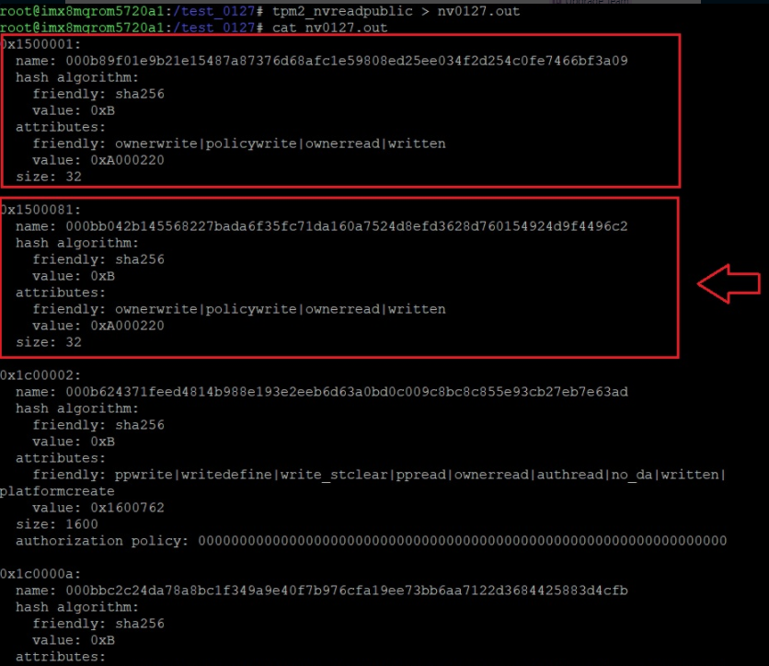

UIO-4032
No | Module | Test Item | Test Steps | Owner |  | Result Comment
1 | RS232 | (COM_3) | $ stty -F /dev/ttymxc1 -echo 115200 $ cat /dev/ttymxc1 & $ echo "Serial Port Test" > /dev/ttymxc1 |  | PASS | /dev/ttyUSB0
 |  | (COM_4) | $ stty -F /dev/ttymxc3 -echo 115200 $ cat /dev/ttymxc3 & $ echo "Serial Port Test" > /dev/ttymxc3 |  | PASS | /dev/ttyUSB1
2 | USB-A | (USB_1) | $ lsusb -t |  | PASS
3 | USB-A | (USB_2) | $ lsusb -t |  | PASS
4 | LAN | SMSC LAN7500-ABZJ | $ ifconfig $ ping -I eth2 8.8.8.8 |  | PASS
5 | EEPROM | ST_M24C02-FMN6TP |  |  | PASS
...

